ALL PROVIDER INFO
 | APMB PROVIDER INFO

UPDATES
S. NO | DATA BASE CODE | PROVIDER'S NAME OR GROUP | PROVIDER CODE | SPECIALITIES
1 | Chauhan | Charlie | CDW | Psychology
2 | Khalafian | Charlie | CDW | Psychology
3 | Miller | Charlie | CDW | Psychology
4 | Montague | Charlie | CDW | Psychology
5 | Otis | Charlie | CDW | Psychology
WEBSITES
6 | Rao | Charlie | CDW | Psychology
AR CODE
7 | Kaizen | Cherylt | CJT | Psychology
8 | Mabaquiao | Cherylt | CJT | Internal Medicine
9 | Moyer | Janet | JSW | Psychology
10 | PHS | Janet | JSW | Psychiatrists and Psychologist
11 | Hairston | Jessiem | JJM | Internal Medicine
^{VM}
12 | Jenkin | Jessiem | JJM | Internal Medicine
13 | Kim | Jessiem | JJM | Pulmonary Critical Care Specialist
14 | Nguyen, Dat | Jessiem | JJM | Internal Medicine
^{Phone #}
15 | Nguyen, Tony | Jessiem | JJM | Internal Medicine
16 | Ordonez | Jessiem | JJM | Internal Medicine
17 | RAMC | Jessiem | JJM | Rheumatology
18 | SDSNF | Jessiem | JJM | Internal Medicine
19 | Chao | Monica B | MONIC | Psychology
20 | Fitzpatrick | Monica B | MONIC | Psychology
21 | Hintz | Monica B | MONIC | Psychology
22 | Lewis | Monica B | MONIC | Psychology
23 | Magulac | Monica B | MONIC | Psychology
24 | Papaleo | Monica B | MONIC | Psychology
25 | Sanders | Monica B | MONIC | Psychology
26 | Whiteside | Monica B | MONIC | Psychology
27 | Zimmerman | Monica B | MONIC | Psychology
28 | Boscan | Roxanne | RSK | Psychology
29 | Oahu | Veronica | RONI | Physical Therapy

 |  |  |  | Cabrera

Boscan
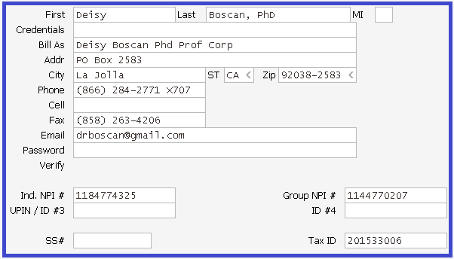
 |  | HOME
Deisy Boscan Phd Po Box 2583, La Jolla, CA 92037-4518
Tax id# | 201533006
Individual Npi | 1184774325
Group Npi | 1144770207
CALL BACK | 1-866-284-2771 Extension: 700
FAX | 1-800-334-1041 attention Roxanne

No updates for this provider.

Chao
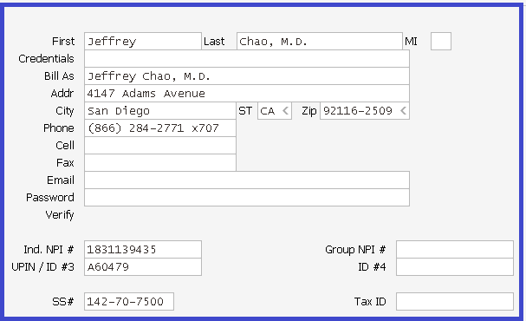
 |  | HOME
 | JEFFREY CHAO M.D. 4147 ADAMS AVE, SAN DIEGO, CA 92116-2509
 | Tax id# | 142707500
 | Npi | 1831139435
 | Medicare | A60479
 | RRMedicare
 | Department of Labor - OWCP | 110689000
 | Medicaid
 | Provider SSN# | 142707500
 | CALL BACK | 1-866-284-2771 Extension: 707
 | FAX | 1-800-334-1041 attention Monica

S.No | Procedure and Update | Email info
1 | Please call new contact phone# 517-323-1201 ext 8865 for Auto Owner insurance. | Email<Monica<11/18/16 Sub: Chao

Chauhan
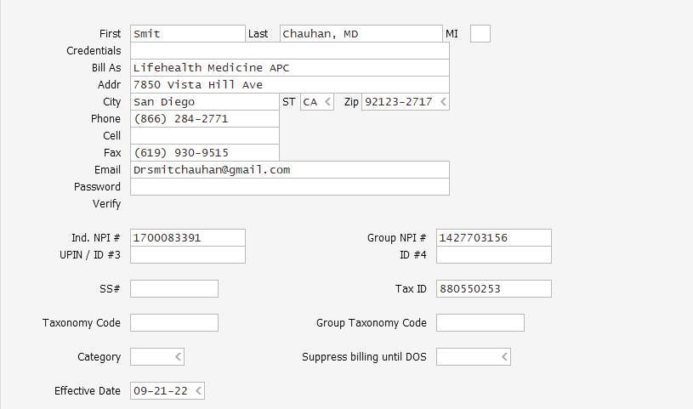
 |  | HOME
 | Smit Chauham, MD Lifehealth Medicine APC 7850 Vista Hill Ave San Diego CA 9213-2717
 | Tax id# | 880550253
 | Ind- Npi | 1700083391
 | Grp- Npi | 1427703156
 | Medicare | CB398864/398853
 | CALL BACK | 1-866-284-2771 Extension: 712
 | FAX | 1-800-334-1041 attention Charlie W

S.No | Procedure and Update | Email info
1 | No Special update

Fitzpatrick
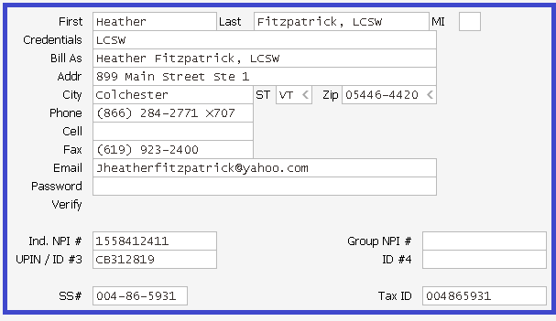
 |  |  | HOME
Heather Fitzpatrick, LCSW 899 Main Street Ste 1, Colchester, VT 05446-4420
Tax id# | 004865931
Individual Npi | 1558412411
Medicare Ptan | CB312819
Provider SSN# | 004865931
CALL BACK | 1-866-284-2771 Extension: 707
FAX | 1-800-334-1041 attention Monica B

S.No | Procedure and Update | Email info
1 | No Special update

Hairston
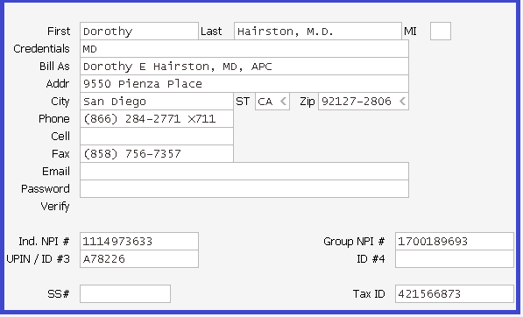
 |  | HOME
 | DOROTHY E. HAIRSTON M.D 9500 Pienza place San Diego, CA 92127-2806
 | Tax id# | 421566873
 | Individual NPI | 1114973633
 | Group NPI | 1700189693
 | Medicare Ptan | EQ304Z / EQ305A
 | RRMedicare Ptan | 110248366
 | CALL BACK | 1-866-284-2771 Extension: 711
 | FAX | 1-800-334-1041 attention Jessie M

S.No | Description | Email info
1 | If you call on a secondary payor and they quote that the claim was paid and mailed to her address, please post the payment. | Email<Roxanne<02162015
2 | Dr. Hairston and the group SD SNF Hospitalists are not contracted with Medi-cal. So when working these data bases and a Medi-cal balance is found please adj down to the Medi-cal contracted rate via a $0.00 pmt. Then please W/O these Medi-cal balances using adj code DN ( Dr. Not Contracted ). If it is a secondary of Medi-cal please just adj the secondary balance using DN with out changing the allowable. | Email<Jessie<041317 Sub:Hairston and SD SNF Hospitalist
3 | Moving forward 01/28/22. While calling to insurance and reached to leave a voice message, please assign the follow up task to JJM and add a follow up date 10 days from the date of the note. Then Jessie will follow up. | Email<Jessie<012822 Sub: Update to Hairston Rules

Hintz
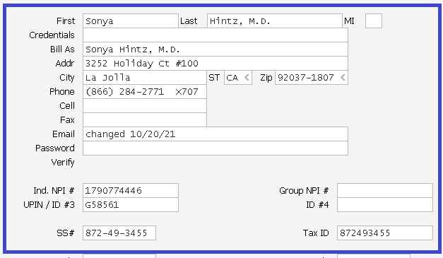
 |  | HOME
 | SONYA HINTZ M.D 3252 HOLIDAY CT SUITE 100 LA JOLLA, CA 92037-0027
 | Tax id# | 536462972 - OLD/ 872493455 - NEW
 | Npi Individual | 1790774446
 | Npi Group | 1790774446
 | Medicare Ptan | G58561/ E02852
 | Provider SSN# | 872493455
 | CALL BACK | 1-866-284-2771 Extension: 707
 | FAX | 1-800-334-1041 attention Monica B

S.No | Procedure | Email info
1 | When following up on collection worksheets and Medical Records are being requested get a fax# where Medical Records can be faxed to and put in follow-up notes also. | Email<Jean<121316 Sub: Billing Rules
2 | CHG will not allow website access for providers who are not contracted. Janet will send them an email inquiring about the status of the claims. | Email<Roxanne<080919 Sub: Dr. Hintz CW

Jenkin
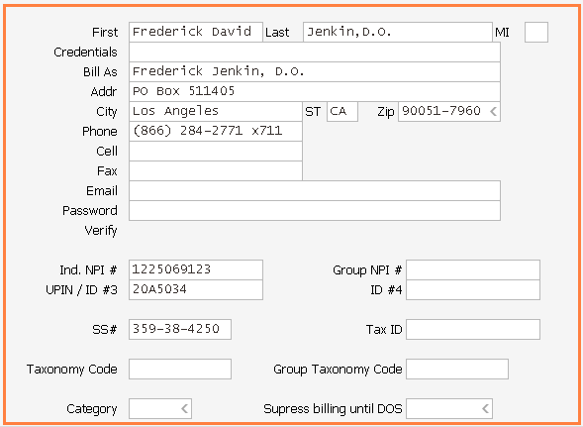
 |  | HOME
 | DR. FREDERICK DAVID JENKIN DO PO BOX 511405 LOS ANGELES, CA 90051-7960
 | Tax id# | 359384250
 | Npi | 1225069123
 | Medicare | 20A5034
 | RRMedicare | P00460937
 | Provider SSN# | 359-384-250
 | CALL BACK | 1-866-284-2771 Extension: 711
 | FAX | 1-800-334-1041 attention Jessie M

S.no | Jenkin Updates | Email info
1 | If Payments were made directly to the patient due to the provider being out of network. Please transfer the balance to the patient. | Email<Kristen<072115 Sub: Jenkin CW Payments
2 | Please have DIHS VA called and follow up on all the outstanding balances. These have been billed with auth's attached and with updated inmate ID's. | Email<Jessie<082817 Sub: Jenkin Feed back
3 | No claim on file rebilling Example account#11471. We have been filing the claims to the insurance on paper to the address they are providing multiple times and they still state no claim on file. Please call the insurance and obtain the electronic payer ID (or) a fax number to get the claims to them. Moving forward if rep told no claim on file and re-submit to verified address and are then told again no claim on file do not resubmit to the same address again. We need to get electronic payer ID (or) fax number to resubmit. | Email<Jessie<011922 Sub: Jenkin folllow up

Kaizen
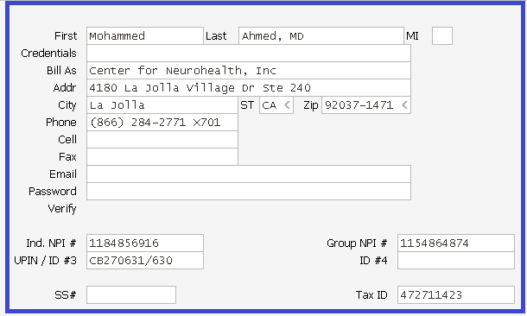
 |  | HOME
 | CENTER FOR NUEROHEALTH INC 4180 La Jolla Village Dr Ste 240 La Jolla, CA 92037-1471
 | Tax id# | 472711423
 | Individual Npi | 1184856916
 | Group Npi | 1154864874
 | Medicare Ptan | CB270630
 | CALL BACK | 1-866-284-2771 Extension: 703
 | FAX | 1-800-334-1041 attention Cheryl

S.no | Description | Email info
1 | MHN When calling on claims status for MHN, thank you for leaving them a message but when they call back they don't give us any information. Moving forward, please fax them for claim status at 855-653-7081 through Raintree, you need to list the provider name, tax id #, patient name, dob and id#, the date of service with the total billed amount. They will fax us back the claim status info. Please use the coversheet message as "ask for claim status for the following provider and that the claim had been previously sent" instead of "please process the attached claim". | Email<Janet<011322 Sub: AZ

Khalafian
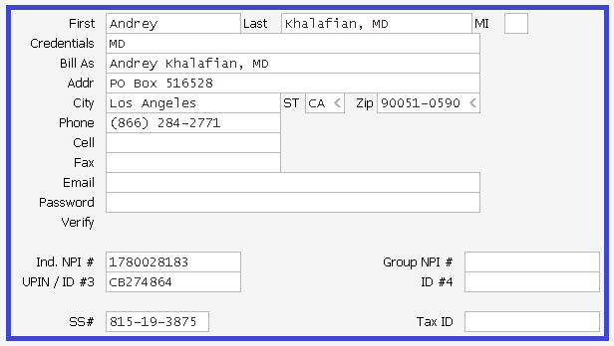
 |  | HOME
 | ANDREY KHALAFIAN PO BOX 516528, LOS ANGELES, CA 90051-0590
 | Tax id# | 815193875
 | Individual Npi | 1780028183
 | Medicare Ptan | CB274864
 | Provider SSN# | 815-19-3875
 | CALL BACK | 1-866-284-2771
 | FAX | 1-800-334-1041 attention Charlie W

S.NO | Procedure and update | EMAIL INFO
1 | Khalafian contract list Aetna Blue Cross Blue Shield Cigna EA Medicare Medi-Cal MHN Optum Medi-cal Optum UHC PCSD Tricare | Email<Monica<070518 Sub: Khalafian contract list
2 | Going forward 06/22/21 if the provider is not contracted and the patient has no out of network benefits, Please bill the patient. Example account 1391. | Email<Charlie<062221 Sub: Khalafian Worksheet
3 | If you call on a secondary insurance and were told the members insurance has terminated, please bill the patient. Example account 1454 | Email<Charlie<062221 Sub: Khalafian Worksheet

Kim
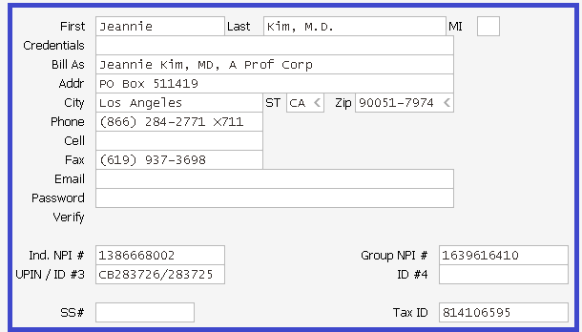
 |  | HOME
 | DR. JEANNIE G KIM MD PO BOX 511419 LOS ANGELES, CA 90051-7974
 | Tax id# | 814106595
 | Individual NPI | 1386668002
 | Group NPI | 1639616410
 | Medicare Ptan | CB283726/283725
 | RRMedicare | P01925810/P00454693
 | CALL BACK | 1-866-284-2771 Extension: 711
 | FAX | 1-800-334-1041 attention Jessie

S.No | UPDATE DESCRIPTION | EMAIL INFO
1 | Dr Kim the note said they did pay the claim but it was with a Credit Card and this provider does not accept credit cards. So ask them to process as paper check. | Email<Janet<070915 Sub:Dr.Kim
2 | If rep says denied for no auth and we refiled the claim with the medical records there is no need to follow up with the notes, "denied for no auth, send retro auth". We do not have one, that is why we sent the records so the calls should be in regards to the appeals dept. | Email<Janet<070915 Sub:Dr.Kim

Lewis
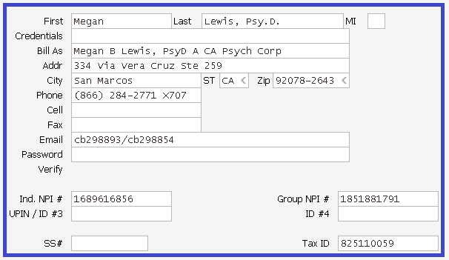
 |  | HOME
 | MEGAN B. LEWIS, Psy.D 334 Via Vera Cruz Ste 259 San Marcos, CA 92078-2643
 | Tax id# | 825110059
 | Individual Npi | 1689616856
 | Group Npi | 1851881791
 | Medicare | DA058A
 | CALL BACK | 1-866-284-2771 Extension: 707
 | FAX | 1-800-334-1041 attention Monica B

S.No | Procedure | Email info
1 | When following up on collection worksheets and Medical Records are being requested get a fax# where Medical Records can be faxed to and put in follow-up notes also. | Email<Jean<121316 Sub: Billing Rules

Mabaquio
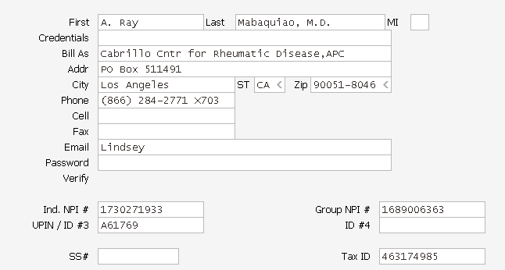
 |  | HOME
 | Mabaquiao PO BOX 511491 LOS ANGELES, CA 90051-8046
 | Tax id# | 463174985
 | Npi | 1689006363
 | Ind NPI | 1730271933
 | Medicare
 | RRMedicare
 | Blue cross Blue shield
 | Medicaid
 | Provider SSN#
 | CALL BACK | 1-866-284-2771 Extension: 703
 | FAX | 1-800-334-1041 attention Cheryl T

S.no | Description | Email info
1 | Feb'22 worksheet When working on the Mabaquio collection worksheet for the February-2022 only, please exclude the providers [RMI, RMI2 and RMI3] on the worksheet. Cheryl will work those accounts. | Email<Roxanne<020422 Sub: Mabaquiao

 | Check with client before doing follow-up for all the accounts.

Miller
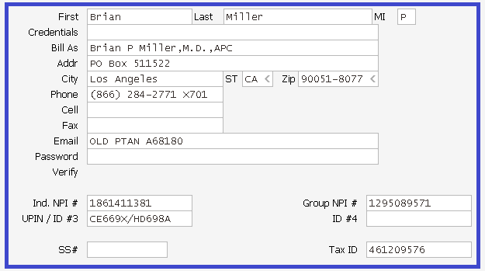
 |  | HOME
 | BRIAN PATRICK MILLER M.D PO BOX 511522 LOS ANGELES, CA 90051-8077
 | Tax id# | 461209576
 | Individual Npi | 1861411381
 | Group Npi | 1295089571
 | Medicare Ptan | CE669X/HD698A
 | CALL BACK | 1-866-284-2771 Extension: 712
 | FAX | 1-800-334-1041 attention Charlie W

S.No | Procedure | Email Reference
1 | Please disregard these 4 payors. The provider is working on correcting the system for LA County and Janet will follow up with Alpine. 1. Alpine - 10954 2. Los Angeles County Mental Health - 10553 3. LAC Department - 11773 4. Optum Health - 10040 | Email<Janet<063015 Sub:Next AR Report
2 | When you call to Kaiser and get the id# please add 00 to the front of the numbers, this means it is a southern California claim. The automated system will give you the patients id# but it leaves out the first two 00's so we are getting denials. | Email<Janet<080817 Sub: Kaiser

Montague
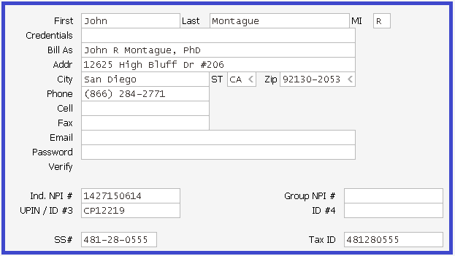
 |  | HOME
JOHN R MONTAGUE PH.D 12625 HIGH BLUFF DR APT 206, SAN DIEGO, CA 92130-2053
Tax id# | 481280555
Npi | 1427150614
Medicare | CP12219
Provider SSN# | 481-28-0555
CALL BACK | 1-866-284-2771
FAX | 1-800-334-1041 attention Charlie W

No updates for this provider.

Moyer
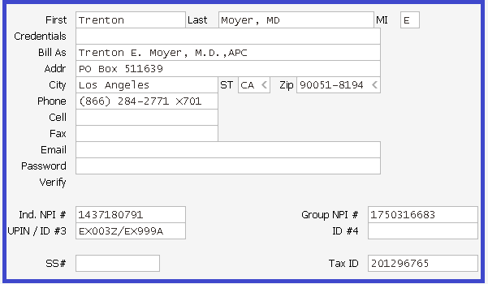
 |  | HOME
 | TRENTON E MOYER M.D. APC PO BOX 511639 LOS ANGELES-CA-90051-8194
 | Tax id# | 201296765
 | Individual NPI | 1437180791
 | Group NPI | 1750316683
 | Medicare Ptan | A78165
 | RRMedicare | P00254385
 | Medicaid | 00A781650
 | ACS PROVIDER #, OWCP# | 610322000
 | CALL BACK | 1-866-284-2771 Extension: 701
 | FAX | 1-800-334-1041 attention Janet S

S.No | Description | Email info
1 | Please do not work Sharp Mesa Vista Unfunded. Janet has to bill those separately and will do the follow up on them. You do not need to call on the Sharp mesa vista unfunded claims, Janet will take care of that. | Email<Janet<082015 Sub: Dr Moyer
2 | When you call to Kaiser and get the id# please add 00 to the front of the numbers, this means it is a southern California claim. The automated system will give you the patients id# but it leaves out the first two 00's so we are getting denials. | Email<Janet<080817 Sub: Kaiser
3 | Dr Moyer is contracted with Beacon at both the inpatient 0014 location and the outpatient 0037 location, any denied claims should be called on | Email<Janet<110119 Sub: Dr Moyer

Nguyen Dat
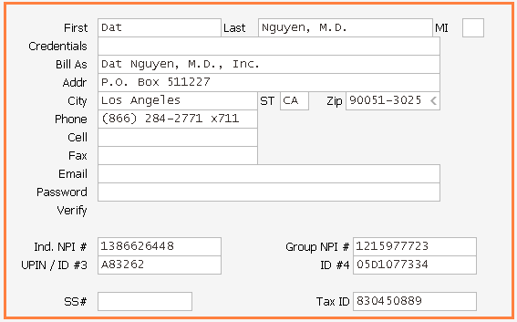
 |  | HOME
 | DAT NGUYEN PO BOX 511227 Los Angeles, CA, 90051-3025
 | Tax id# | 830450889
 | Group Npi | 1215977723
 | Individual Npi | 1386626448
 | Medicare PTAN | CB234757
 | RRMedicare Group PTAN | DX4981
 | RRMedicare- DAT NGUYEN | P01854612
 | RRMedicare-SILPA REDDY | P02030034
 | RRMedicare-JIMI BENSON | P02551910
 | CALL BACK | 1-866-284-2771 Extension: 711
 | FAX | 1-800-334-1041 attention Jessie M

S.NO | Dat Nguyen updates | Email info
1 | He has not been turning in payments to us so there a several to call on and post off of the verbal response from the payor if it was paid. | Email<Roxanne<030115 Sub: Next AR Report
2 | Please write off timely filing accounts | Email<Roxanne<030115 Sub: Next AR Report
3 | REBILLING ISSUE: we used to rebill the claims for No claim on file scenario and other than if claim denied for Medical Records, Need primary EOB or appeal with documentations, we are not rebilling at our end and escalating with AR code as " Need to Rebill". So, moving forward, we will update the AR code as below. 1. Need to submit claim to Secondary 2. Need to appeal with POTF 3. Need to add insurance address & refile. TFL Adjustments: 1. If claim not filed within the Filing limit, charges will be adjusted off by Allzone. 2. If claim filed within the filing limit and not reached insurance and after multiple submission, if insurance denied as past timely filing limit, please advise shall we adjust the claims or need to appeal with POTF. Ok to adjust claims, but please notify us so we can investigate why claims never made it there. | Recd Email<Kristen.M<072915 Sub:D Nguyen Collection Worksheet
4 | Paid Claims: We are verifying claim status thru online and were cashed info not available ( Example line item 97 Carefirst insurance). Please advise shall we post the payment without cash date. Ok to post pmt. Carefirst Insurance: Contract with Carefirst Insurance: Care First payments, the doctor signed a contract with the insurance agreeing to accept a flat fee of $425.00 per hospital admission. You are ok to write off the additional balances on these patients. This is a general rule. | Recd Email<Kristen.M<072915 Sub:D Nguyen Collection Worksheet
5 | If received IPA resp, please update insurance and set claim to bill also update in follow up notes. | Email<Kristen<080616 Sub: D Nguyen CW follow-up
6 | Please post verbal payment, if received paid status from website. | Email<Kristen<080616 Sub: D Nguyen CW follow-up
7 | If denied as "req info from provider has not been received". Please mark set flag as "HOLD". | Email<Kristen<080616 Sub: D Nguyen CW follow-up
8 | Dat Nguyen's Medicare revalidation is completed. You are ok to work the Medicare financial class. | Email<Kristen<060817 Sub: Dat Nguyen CW
9 | APMB will work on the Alvarado claims. Please skip those claims. | Email<Kristen<060817 Sub: Dat Nguyen CW
10 | Claim status on webportal:- If the rep is given a web site to obtain the claims status. Please register to the site and obtain the claims status. | Email<Jessie<053020 Sub: Claims status

Nguyen Tony
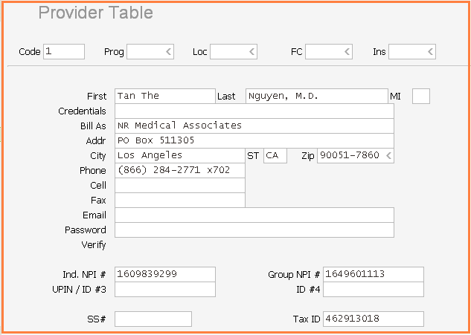
 |  | HOME
 | TONY NGUYEN PO BOX 511305 LOS ANGELES, CA, 90051-7860
 | Tax id# | 462913018
 | Npi# | 1609839299
 | Group Npi# | 1649601113
 | Medicare-PTAN | CB230307
 | Northern CA Medicare PTAN | CA254853
 | RRMedicare | DW9163
 | Medicaid | 00G671191
 | US Dept of Labor OWCP ID# | 724297600
 | CALL BACK | 1-866-284-2771 Extension: 711
 | FAX | 1-800-334-1041 attention Jessie M

S.no | Description | Email info
1 | Please fax through Raintree for these insurance "Integrated Medical Solutions Inc (fax#817-887-3720, Attn: Claims Dept) & SD County Sheriff Inmates (fax#855-394-7927 Attn: Claims Dept), if received fax details from rep. | Email<Kristen<101017 Sub: Dr. Tony Nguyen CW
2 | Please fax through Raintree for these insurance "US Marshal Svcs (fax#619-557-5214, Attn: Linda/Prisoner Medical). | Email<Cheryl<030520 Sub: Tony CW - US Marshal Svcs
3 | Medical Records: If you talk to an insurance and they tell you a claim was denied and need to send Medical Records always ask why? we need to know if its due to no authorization. If we had not received a denial for this reason always ask for the EOB to be faxed to my attention in order to give to the facility | Email<Cheryl<031720 Sub: Tony Nguyen CW
4 | No claim on file: When calling and you find out claim needs to be resubmitted always ask if claim can be faxed | Email<Cheryl<031720 Sub: Tony Nguyen CW

Oahu
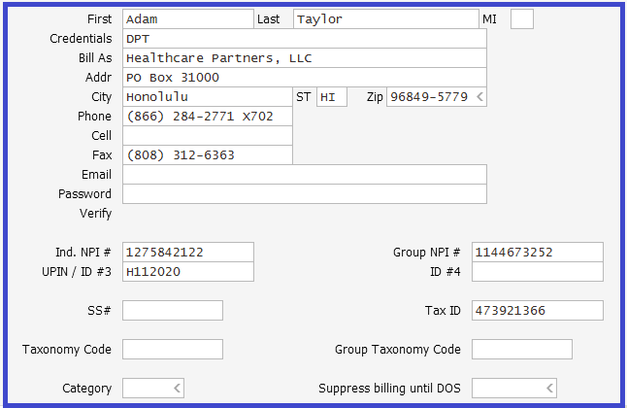
 |  | HOME
 | Healthcare Partners, LLC PO BOX 31000, Honolulu, HI 96849-5779
 | Tax id# | 473921366
 | Npi Individual
 | Npi Group | 1144673252
 | Medicare Ptan
 | CALL BACK | 1-866-284-2771 Extension: 704
 | FAX | 1-800-334-1041 attention Veronica

S.No | Procedure | Email info
1 | Sales Tax code S9999:- Please write off the additional sales tax charges that are being denied for duplicates with using contract adjustment CO-45. | Email<Kristen<082119 Sub: Sales Tax code- Oahu collection worksheet
2 | First Ins Co of HI Call back:- While giving call back to First Ins Co of HI insurance Please provide the call back with claim#, patient last & first name, DOB & DOS with billed amount. | Email<Kristen<082719 Sub: Voicemail from (808) 527-7777
3 | NGS DME MAC Ptan#7706780001 | Email<Roxanne<102919 Sub: Oahu - Need PTAN for NGS DME MAC
4 | OAHU - OWCP Provider ID# The provider numbers for OWCP are programmed into the provider table under insurance 10046 under ID #3 for each provider. | Email<Roxanne<012120 Sub: Oahu - Need OWCP Provider ID#

Ordonez
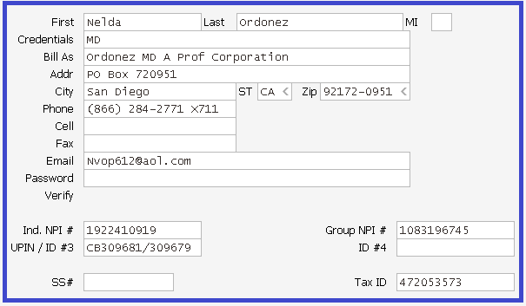
 |  | HOME
 | DR. NELDA ORDONEZ M.D. Po Box 720951 San Siego, CA 92172-0951
 | Tax id# | 472053573
 | Individual Npi | 1922410919
 | Group Npi | 1083196745
 | Medicare Ptan | CB309681/309679
 | CALL BACK | 1-866-284-2771 Extension: 711
 | FAX | 1-800-334-1041 attention Jessie M

S.No | UPDATE DESCRIPTION | EMAIL INFO
1 | From now on when working follow up and it is found the insurance has paid the claim and the pay to was verified, please have the payments posted as verbal payments. This is due to EFT / ERA has not been completed. We are working on these and the payments should start coming soon. Until then please have the payments posted. | Email<Jessie<110619 Sub: Ordonez verbal payment rule change
2 | When working follow up for Dr. Ordonez, please have them post the verbal payments they are informed about from the insurance calls. But also still add the follow up note like they have been with the payment infomation. | Email<Jessie<062121 Sub: Ordonez rule update.

Otis
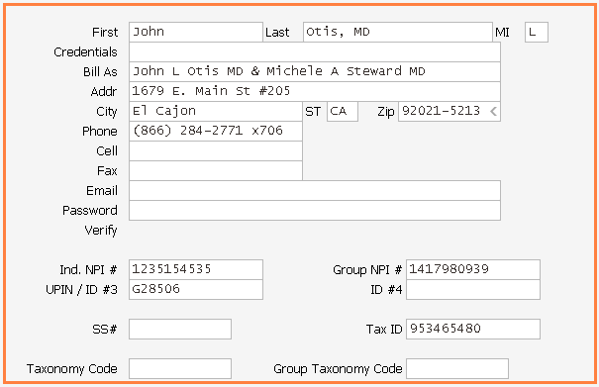
 | JOHN OTIS MD 1679 E MAIN ST APT 205, EL CAJON, CA 92021-5213
 | Tax id# | 953465480
 | Npi | 1417980939
 | Medicare | W6323
 | Individual NPI | 1235154535
 | Department of Labor - OWCP | 625829100
 | CALL BACK | 1-866-284-2771 Extension: 712
 | FAX | 1-800-334-1041 attention Charlie W
 | SAN DIEGO REGIONAL CENTRE | Vendor # PQ0870

S.no | Description | Email info
1 | While contacting the insurance (state medical) and were told no claim on file and the claims crossed from Medicare to the health plan, its in the account right under the bill bar. Then these claims never made it to state Medi-cal since they are crossing to the health plan. Please check these accounts up on AEVS to verify the patient is active and then refile to state medical (Set Big "B"). | Email<Roxanne<061920 Sub: PHS
2 | Sharp insurance If Sharp insurance accounts that have been paid. Please call the Insurance and ask them to fax us the EOB's . | Email<Monica<010421 Sub: Otis

Papaleo
 |  |  | HOME

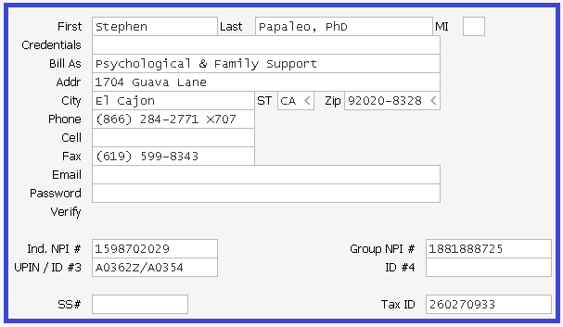
 |  | DR. STEPHEN PAPALEO PH.D 1704 Guava Lane El Cajon, CA 92020-8328
 |  | Tax id# | 260270933
 |  | Individual NPI | 1598702029
 |  | Group NPI | 1881888725
 |  | Medicare Ptan | PSY7515
 |  | CALL BACK | 1-866-284-2771 Extension: 707
 |  | FAX | 1-800-334-1041 attention Monica B

 | S.No | Procedure | Email info
 | 1 | When following up on collection worksheets and Medical Records are being requested please get a fax# where Medical Records can be faxed to and put in follow-up notes also. | Email<Jean<121316 Sub: Billing Rules
 | 2 | If a payment has been made and everything has been verified & cashed. Please go ahead and post the payment. | Email<Jean<052417 Sub: Dr Papaleo - Rules

Zirmed | When claims are stated not on file and we have billed electronically, Please be sure to go into Zirmed and use the receipt of claim info and call the insurance. If you find that it still is not on file please let me know at that point. | 2017-08-28 | Email<Jessie<082617 Sub:Castillo feed back

PHS Group
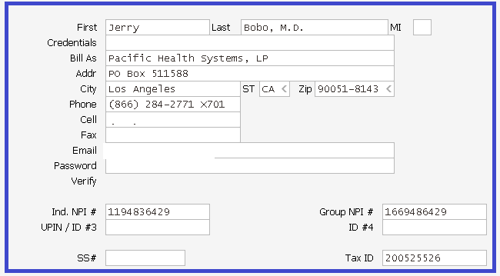
 |  | HOME
 | PACIFIC HEALTH SYSTEM, LP PO BOX 511588, Los Angeles, CA 90051-8143
 | Tax id# | 200525526
 | Group NPI | 1669486429
 | Gregory Paniccia Ind NPI | 1518022920
 | Randi Cooper Ind NPI# | 1023037561
 | Bhatia Ind NPI | 1164464137
 | Bhatia Group NPI | 1922041482
 | Bhatia Tax id# | 470854102
 | Sanders Ind NPI | 1144264300
 | Bradley Sanders Tax id# | 570279531
 | Ishaque Ind NPI | 1033124730
 | Ishaque Individual PTAN | DA054Z
 | Ishaque Other payors NPI (Billed under doctors Corp Mountain West Health care, APC) | 1669899514
 | Saleem Ishaque Other Payors Tax id# | 455635918
 | Hamrang Individual PTAN | GX977Z
 | Hamrang Other payors IND NPI | 1336188739
 | Sultana Hamrang Other payors Tax id# | 561679576
 | Sultana Hamrang | PTAN#P01074048/GROUP PTAN#DF2932
 | Dolnak Individual NPI | 1316147085
 | Douglas Dolnak Individual Tax id# | 27357919
 | Cooper Ind NPI | 1023037561
 | Randi Cooper Ind Tax ID# | 565558474
 | Mohammed Ahmed MD Ind NPI | 1184856916
 | Mohammed Ahmed MD Tax id# | 685035685
 | Cooper Individual PTAN | BU058Z
 | Mohammed Bari Ind NPI (Billed under his Corp South Bay Psychiatry, APC) | 1679588370
 | Mohammed Bari Individual PTAN | P02197647
 | Mohammed Bari Group NPI | 1669486429
 | Mohammed Bari Group PTAN | DF2932
 | Mohammed Bari Group NPI | 1316363559
 | Mohammed Bari Tax ID | 46-0931817
 | Takeshia Niday TAX ID | 200525526
 | Takeshia Niday Group NPI | 1669486429
 | Takeshia Niday Ptan | A113548
 | Takeshia Niday Ind NPI | 1932429289
 | Randi Cooper RRMedicare | PTAN#P01074048/GROUP PTAN#DF2932
 | Medicare Ptan | W19915
 | RRMedicare | N/A
 | Medicaid | N/A
 | Provider SSN# | N/A
 | CALL BACK | 1-866-284-2771 Extension: 701
 | FAX | 1-800-334-1041 attention Janet S

S.no | Description | Email info
1 | If received caller comments "Primary paid more than the allowed amount (or) primary was paid in full". Please write off the secondary balance at Allzone end. | Email<Janet<011616 Sub: PHS Group AR Reports
2 | If received secondary payor from dual plan in CW report, Please adjust the secondary balance without follow up for all APMB datasets except for deductibles. | Email<Roxanne<012516 Sub:PHS Group AR Reports
3 | If received claim paid status information from CHG online access, please post the payment in verbal posting. | Email<Roxanne<020816 Sub: PHS Group- Dr. SH & Dr. PHW CW reports
4 | If patient has Medi/Medi in RT, please adjust the Medi-Cal balance without follow up for except Deductibles. | Email<Janet<030816 Sub: Medi-Cal claims- PHS Group Dr. BS CW report
5 | The Paradise Valley claims (code #10534) APMB will follow up on those Optumhealth #10040 APMB will follow up on those also. Please do not work these payors. | Email<Janet<020817 Sub: PHS
6 | If you pull any payments from the website's please go ahead and post them and just say where you received the payment! (ex: Tricare or ?) | Email<Janet<020817 Sub: PHS
7 | When you call to Kaiser and get the id# please add 00 to the front of the numbers, this means it is a southern California claim. The automated system will give you the patients id# but it leaves out the first two 00's so we are getting denials. | Email<Janet<080817 Sub: Kaiser
8 | Please run two CW reports for PHS one with all PHS Group providers excluding NP provider and run separate worksheet for NP provider alone since NP provider is internal Medicine and all others are mental health providers. | Email<Roxanne<020619 Sub: PHS
9 | APMB work the crossovers to state Medical, the 10024 claims sent as a B claim. So please do not work for Medi-cal claims. | Email<Janet<041919 Sub: PHS
10 | While contacted the insurance (state medical) and were told no claim on file and the claims crossed from Medicare to the health plan, its in the account right under the bill bar. Then these claims never made it to state since they are crossing to the health plan. Please check these accounts up on AEVS to verify the patient is active and then refile to state medical. | Email<Janet<061720 Sub: PHS
11 | For the claims with DIHS/ VA Fin (ice) to get claim status we have to call and once you get the information please post the payment | Email<Janet<122320 Sub: PHS
12 | For PHS Patel CW please check the claim status as guest user in Kaiser and for paid accounts please post the payments as verbal Please post the verbal payments for Kaiser, if getting paid status via phone calls. Since they are coming in now electronically but the older dos we will still have to call on. | Email<Roxanne<081721 Sub: PHS Patel CW - Kaiser Email<Janet<100821 Sub: AZ
13 | Please do not need to call on the IMS or US Marshalls claims, we fax them for claim status | Email<Janet<122121 Sub: PHS
14 | When calling on claims status for MHN, thank you for leaving them a message but when they call back they don't give us any information. Moving forward, please fax them for claim status at 855-653-7081 through Raintree, you need to list the provider name, tax id #, patient name, dob and id#, the date of service with the total billed amount. They will fax us back the claim status info. Please use the coversheet message as "ask for claim status for the following provider and that the claim had been previously sent" instead of "please process the attached claim". | Email<Janet<011322 Sub: AZ

Ramc
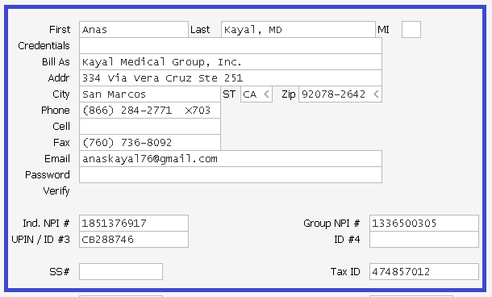
 |  | HOME
 | Kayal Medical Group, Inc. 334 via vera cruz ste 251 San Marcos, CA 92078-2642
 | Tax id# | 474857012
 | Individual Npi | 1851376917
 | Group Npi | 1336500305
 | Medicare Ptan | Kayal is - CB257785 (Medicare Assigned) & CA282748 (Northern CA MCR ) Inland is - CA407130 (Northern CA MCR)
 | CALL BACK | 1-866-284-2771 Extension: 711
 | FAX | 1-800-334-1041 attention Jessie M

S.No | Procedure | Email info
1 | SCMG will not provide the claim status for the claims before 45 days from the claim submission date. So please do not call with 45 business days | Email<Cheryl<082521 Sub: RAMC CW - Sharp Community Medical Group
2 | If rep states claim forward to other insurance. Please update the correct insurance. | Email<Cheryl<090321 Sub: RAMC CW
3 | Moving forward 5th of Nov'21, if received claim paid status for OLD date of services when calling with insurance, please post ALL payments as verbal. This rule is applicable for all payers. | Email<Roxanne<110421 Sub: RAMC
4 | Greater Tri City IPA - Televisit denied for modifier. Please add 95 modifier and add a note in box 19 as "corrected claim, corrected modifier" and set claim to bill. | Email<Cheryl<090821 Sub: RAMC - Greater Tri City IPA - Televisit
5 | Molina no auth denials:- If received no auth denials for Molina, please call and find out why they are being denied as the Dr. is contracted and NO auth is required? Ask if the ones being denied for no auth are a different product of Molina that she is not contracted with? | Email<Cheryl<100621 Sub: RAMC worksheet
6 | Greater Tri City:- Please check claim status in website and post the payment as verbal. | Email<Cheryl<100621 Sub: RAMC worksheet
7 | Tricare:- Please post all payments even if we getting claim status via [Phone calls or website] until get remits. There is only one payer number to use which is 12250. | Email<Cheryl<100621 Sub: RAMC worksheet
8 | Voice Mails & Call back:- Moving forward, for ALL insurance when leaving a message to give them the Patient acct# as reference as many times they call back with their reference number which I cannot pull up | Email<Cheryl<010522 Sub: RAMC CW
9 | RAMC are 2 different entities with different pay-to addresses. Providers AK and BA were under Kayal and AKI and MH were under Inland. Effective July 1st everything is now going out under Kayal. | Email<Roxanne<071322 Sub: Need list of Pay To Address in RAMC
10 | Scan HMO/Healthcare Partners - Reaching Voice Mail /Long Hold Issue Regarding Scan HMO/Healthcare Partners online access is working by Jessie/APMB staff and they will get back to us once login access gained. Efeective from 25-July-2022, Please focus and work other insurances (to be more productive) instead of keep follow-up with Scan HMO/Healthcare Partners every month and mention the notes stating LONG HOLD call disconnected. | Email<Suresh<072322 Sub: RE: RAMC - Scan HMO/Healthcare Partners - Reaching Voice Mail /Long Hold Issue

Rao
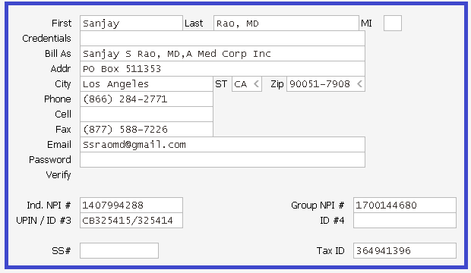
 | HOME
Sanjay Rao, MD PO BOX 511353 Los Angeles, CA 90051-7908
Tax id# | 364941396
Individual Npi | 1407994288
Group Npi | 1700144680
Medicare Ptan | CB325415/CB325414
CALL BACK | 1-866-284-2771 Extension: 712
FAX | 1-800-334-1041 Attention Charlie

No updates for this provider.

Sanders
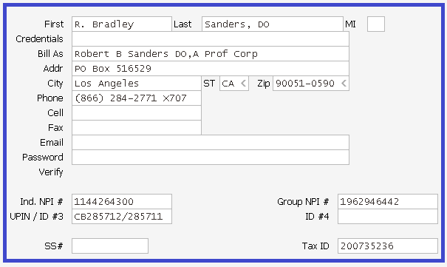
 |  | HOME
 | R. BRADLEY SANDERS PO BOX 516529, LOS ANGELES, CA 90051-0590
 | Tax id# | 200735236
 | Individual Npi | 1144264300
 | Group Npi | 1962946442
 | Medicare Ptan | CB285711
 | RRMedicare Individual | P01946953
 | RRMedicare group Ptan | DX9096
 | Medicaid
 | Provider SSN#
 | ACS PROVIDER # | 625766000
 | CALL BACK | 1-866-284-2771 Extension: 707
 | FAX | 1-800-334-1041 attention Monica B

S.NO | Procedure and update | Email. Info
1 | Sanders contract list Aetna (eff 02/15/2018) Blue Cross Blue Shield Cigna CHG (eff 07/01/2018) Choice Care/Humana First Health Humana Kaiser Magellan (eff 03/15/2018) Medicare Medi-Cal MHN Molina Optum Medi-cal Optum UBH (uhc) OWCP FECA PHCS | Email<Monica<080918 Sub: Sanders
2 | Please call San Diego Regional Center if reached voice mail and reps not give the claim status on the phone. So please inform APMB they will need to follow up with their email. | Email<Monica<101819 Sub: San Diego Regional Center/claims
3 | Please DO NOT follow-up for Alvarado Parkway claims in Sanders dataset. Just ignore it. | Email<Monica<101819 Sub: San Diego Regional Center/claims
4 | This is Vonder number PQ0894 for San Diego Regional Center. Please use it to call | Email<Roxanne<072422 Sub: Dr. Sanders- Need Vendor number for San Diego Regional Ctr payer

SD SNF
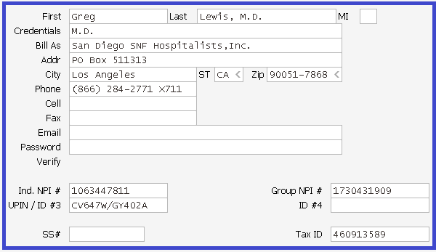
 |  | HOME
 | SAN DIEGO SNF HOSPITALISTS, INC. Po Box 511313 Los Angeles, CA 90051-7868
 | Tax id# | 460913589
 | Individual Npi
 | Group Npi | 1730431909
 | Medicare Ptan | GY402A
 | RRMedicare | DU3833/P02244243
 | CALL BACK | 1-866-284-2771 Extension: 711
 | FAX | 1-800-334-1041 attention Jessie M
 | San Diego Regional Center Vendor# | PQ0894

S.No | UPDATE DESCRIPTION | EMAIL INFO
1 | Dr. Hairston and the group SD SNF Hospitalist are not contracted with Medi-cal. So when working these data bases and a Medi-cal balance is found please adj down to the Medi-cal contracted rate via a $0.00 pmt. Then please W/O these Medi-cal balances using adj code DN ( Dr. Not Contracted ). If it is a secondary of Medi-cal please just adj the secondary balance using DN with out changing the allowable. | Email<Jessie<041317 Sub:Hairston and SD SNF Hospitalist
2 | No auth claims:- If you are informed that no auth was on file for the services please post the no auth payment and adj off the balance to NAINS. | Email<Jessie<101217 Sub: SD SNF Cw review

Whiteside
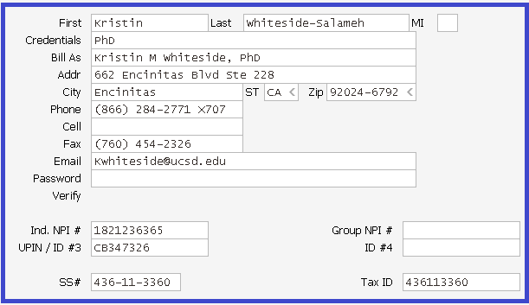
 |  | HOME
Kristin M whiteside, Phd 662 Encinitas Blvd Ste 228, Encinitas, CA 92024-6792
Tax id# | 436113360
Individual Npi | 1821236365
Medicare Ptan | CB347326
Provider SSN# | 436113360
CALL BACK | 1-866-284-2771 Extension: 707
FAX | 1-800-334-1041 attention Monica B

No updates for this provider.

Zimmerman
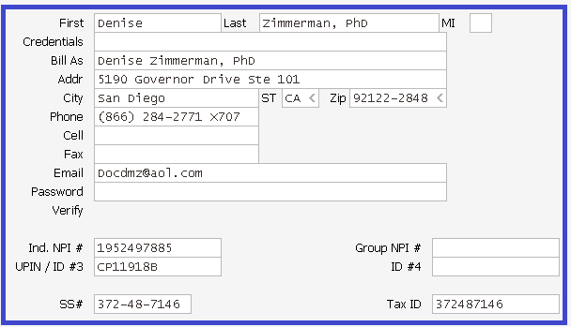
 |  | HOME
Denise Zimmerman Phd 5190 Governor Drive Ste 101, San Diego, CA 92122-2848
Tax id# | 372487146
Individual Npi | 1952497885
Group Npi
Medicare Ptan | CP11918B
RRMedicare Individual
RRMedicare group Ptan
Medicaid
Provider SSN# | 372487146
ACS PROVIDER #
CALL BACK | 1-866-284-2771 Extension: 707
FAX | 1-800-334-1041 attention Monica B

No updats for this provider.

MAGULAC
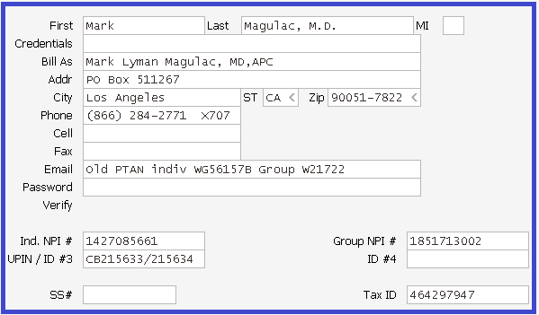
 |  | HOME
MARK L MAGULAC MD PO BOX 511267, LOS ANGELES, CA 90051-7822
Tax id# | 464297947
Group Npi | 1851713002
Individual Npi | 1427085661
Medicare | CB215634
RRMedicare
Blue cross Blue shield | ZZZ506294
Medicaid
Provider SSN#
CALL BACK | 1-866-284-2771 Extension: 707
FAX | 1-800-334-1041 attention Monica B

No updates for this provider.

Collection Worksheet
From 01/12/16 onwards, to run APMB CW under options "Reports/Form>Collection Tools>Create/view a Worksheet" also enter the amount from "$1.00 to $99999.00". Email<Roxanne<011216 Sub: PHS Group Collection worksheet

Steps:1
Go to the below boxed options to create CW
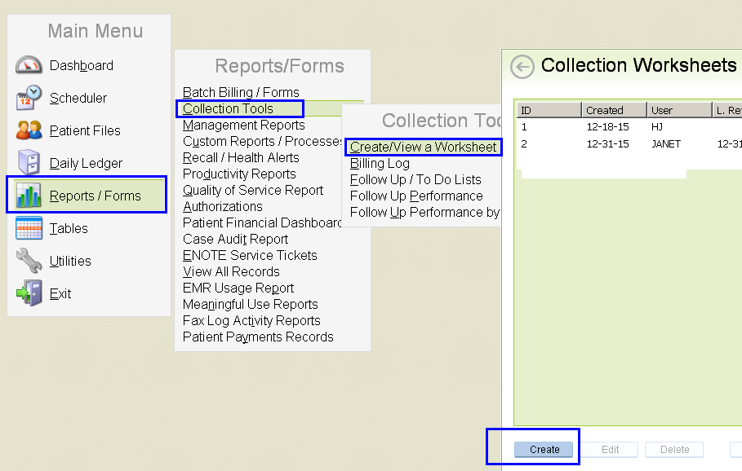

Steps:2
Please follow the same in below entered options. Do not add the range fields & just leave this filed as blank to followup all open balances Email<Roxanne<052118 Sub: Worksheets

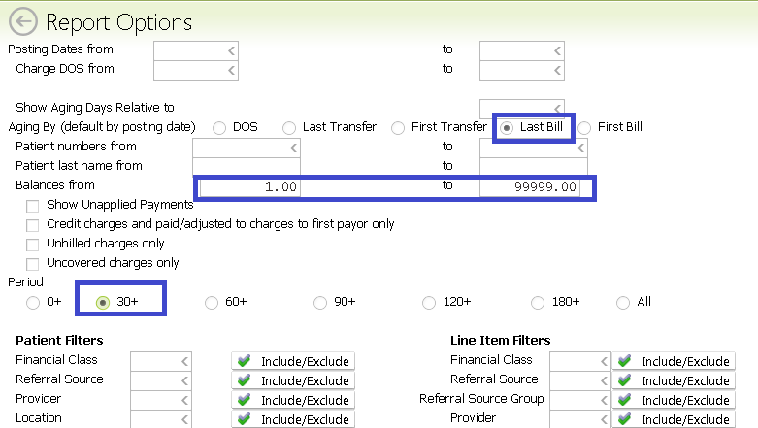

1. Please work any balances greater than 30-days old. See below sample printscreen. 2. If received duplicate billbar for same or different, just review the old billbar comments and follow up for current billbar only also no need to close the old billbar. All the old bill bars closing at APMB end only. 3. Please update all the analysis accounts and calling accounts in log follow up notes and no need to upload in ebridge. 4. Once created the CW until complete the 30-60 aging period, will not require to refresh worksheet. See below sample printscreen. Email<Roxanne<011816 Sub: PHS Group Collection worksheet 5. Once created the CW, please delete "Patient billed" line. See below sample printscreen. Email<Roxanne<012416 Sub: CW.fbr

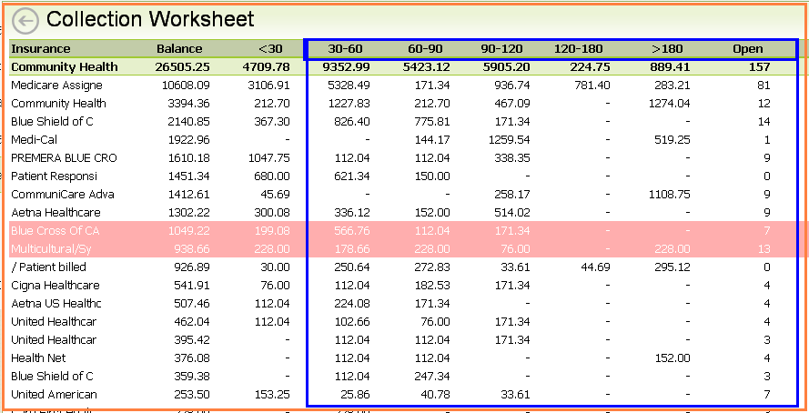

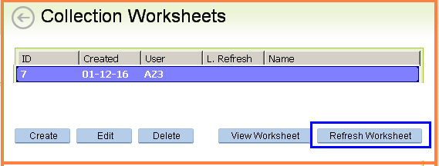

After completed the CW report for any providers, please set flag to complete and Hold. Please see below examples with details info . Email<Roxanne<012416 Sub: CW.fbr

Completed – It means Allzone taken necessary action and closed out the accounts and no action required at APMB end.
For example: Claim re-process and Paid, Claim in-process, Claim Rebilled, Voice Mail

Hold – It means Allzone taken necessary action and/or follow-up with insurance rep and still additional action required at APMB end.
For example: Need to submit with Medical Records, Primary EOB, Proof of Timely Filing, W9 form,

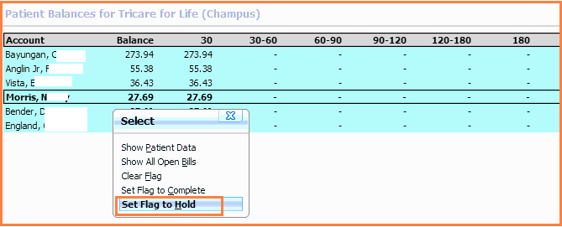

Once completed "set flag to complete and Hold" then select the created CW folder and press "Edit" then opened CW and put tick mark in "completed" box finally press F10 to save. Please see below examples . Email<Roxanne<012416 Sub: CW.fbr

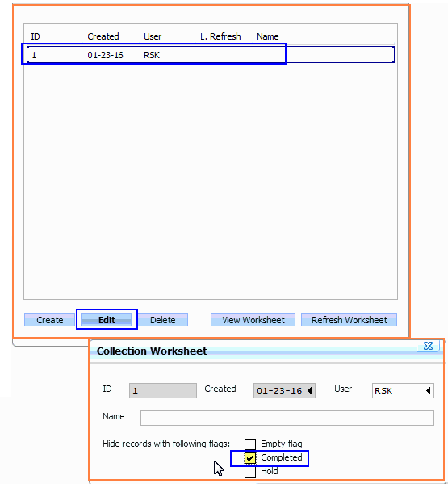

If you have already entered a recent follow up note, skip those ones as APMB will be following up on those soon. Please see below like example Follow-up print screen. Email<Roxanne<012016 Sub: Next CW Report

Tracer rebilling
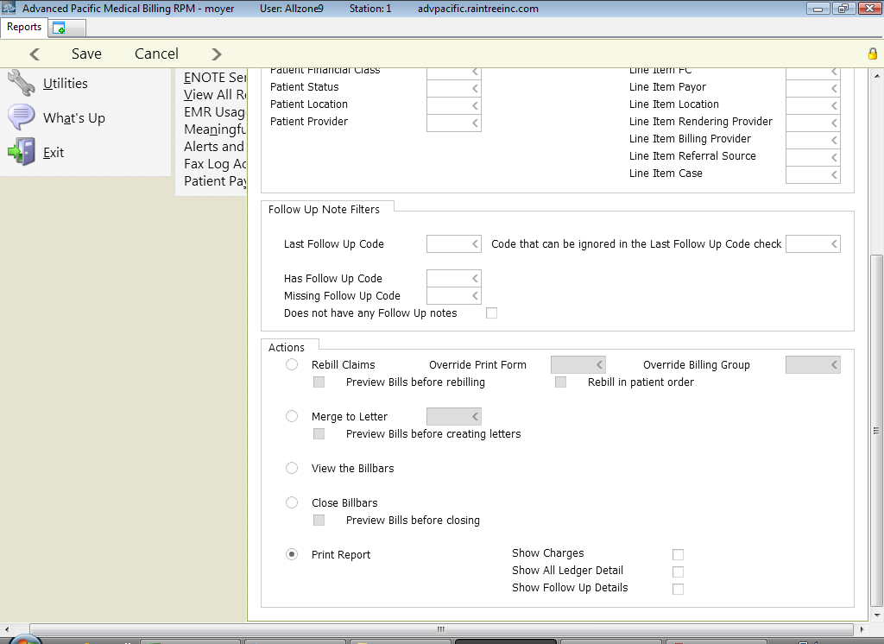

AR CODES
PROVIDER INFO

Abbreviatons | Acronym | Office
CLAIM HAS BEEN ADJUSTED | ADJUSTED | ALLZONE
OPTUM HEALTH SPREADSHEET FAX REQUEST CLAIMS | APMB WILL TAKE CARE | APMB
NEED TO APPEAL THE CLAIM | APPEAL | APMB
NEED ASSISTANCE OR APMB NEED TO HANDLE | ASST | APMB
ATTORNEY STILL PENDING/LAW OFFICE | ATTORNEY | APMB
NEED TO SUBMIT WITH AUTHORIZATION NUMBER | AUTH | APMB
PT RESPONSIBILITY / YET TO BALANCE FLIP FROM INS TO PT | BILL PATIENT | APMB
ALLZONE WILL CALL BACK / FOLLOW-UP LATER | CALL BACK | APMB
CLAIM SENT FOR FURTHER REVIEW / INQUIRY / INVESTIGATION | CLAIM IN REVIEW | ALLZONE
CLAIM IS INPROCESS, ALLOW SOME MORE DAYS AND F/U LATER | CLAIM INPROCESS - F/U LATER | ALLZONE
CLAIM SENT TO REPROCESS / INQUIRY SENT TO HOME PLAN | CLAIM SENT REPROCESS | ALLZONE
CLM DND FOR COB / PT NEED TO UPDATE COB | COB | APMB
...

